1. Title Page
Instacart Grocery Basket Analysis

Project Name: Data Immersion: Instacart Grocery Basket Analysis
Date: March 2023
Analyst Name: Jocelyn Garcia

Contents:
Population Flow
Consistency checks
Wrangling steps
Column derivations
Visualizations
Recommendations

Data Citation
“The Instacart Online Grocery Shopping Dataset 2017”, Accessed from https://www.instacart.com/datasets/grocery-shopping-2017 on [date]"

2. Population Flow
 | Title page

Population flow

Exclusion flag
Condition: max_order < 5
Obervations to be removed: PII information includes first name and surname
Final total count of order_products_all: 30,964,564

Orders_products_combined
Orders_products_merged
Orders_products_all

Total: 32,404,859
Total: 324,344,489
Total:
32,404,859

1.) The grey boxes in the first row of the population flow represent the original data sets as they were when you downloaded them. In the Total fields you need to add the count of the rows when you imported the data set into Jupyter.
2.) The second row of boxes (coloured) represents the data sets after you manipulated them, e.g., removed missing values and duplicates. In the Total fields you need to add the count of the rows after conducting these operations. This offers a visual oveview of how the data flows throughout the data consistency checks.
3.) The third row, where also the arrows are coloured, represents the merges you performed between the datasets. In the Total fields you need to add the count of the rows in the merged datasets, so that you end up with the final dataset (in the red box). Keep in mind the final dataset should be without exclusions (based on the exclusion flag).

3. Consistency checks
 |  |  |  | Title page
Consistency checks

Dataset | Missing values | Missing values treatment | Duplicates
orders | 206209 missing values for 'days_since_prior_order' showing NaN either not entered or recorded | decided create a subset for missing values to flag | 0
products | 16 missing values were found in product_name column | decided create a subset for missing values to flag | 5
orders_products_prior | 0 | 0 | 0
customers | 0 | 0 | 0

4. Wrangling steps
 |  |  |  |  | Title page
Wrangling steps

Dataset | Columns dropped | Columns renamed | Columns' type changed | Comment/Reason
orders |  | order_dow : order_day_of_week |  | name change is more informative
 | eval_set |  |  | not needed for analysis
 |  |  | user_id - str | order_id its a unique number
 |  |  | order_id - str | order_id its a unique number

products

Orders_products_merged | Unnamed:0 |  |  | not needed for analysis

customers | first name |  |  | PII information
 | surnam |  |  | PII information
 |  | Gender -gender |  | lower case letters
 |  | STATE-state |  | lower case letters
 |  | Age-age |  | lower case letters
 |  | n_dependants - number_dependants |  | name change is more informative
 |  | fam_status - family_status |  | name change is more informative
 |  |  | user_id - str | order_id its a unique number

5. Column derivations
 |  |  |  | Title page

Column derivations and aggregations

In this tab you should add tables below that the frequences of flags/label variables that you produced after deriving them. NB: don't do this for continuous variables, only for flags.
Dataset | New column | Column/s it was derived from | Conditions
orders_products_merged | price_range_loc | prices | df_orders_products_merged.loc[df_orders_products_merged['prices'] > 15, 'price_range_loc'] = 'High-range product' df_orders_products_merged.loc[(df_orders_products_merged['prices'] <= 15) & (df_orders_products_merged['prices'] > 5), 'price_range_loc'] = 'Mid-range product' df_orders_products_merged.loc[df_orders_products_merged['prices'] <= 5, 'price_range_loc'] = 'Low-range product'
 | busiest_day | orders_day_of_week | result = [] for value in df_orders_products_merged["orders_day_of_week"]: if value == 0: result.append("Busiest day") elif value == 4: result.append("Least busy") else: result.append("Regularly busy")
 | busiest_days | orders_day_of_week | result2 = [] for value in df_orders_products_merged["orders_day_of_week"]: if value == 0 or value == 1: result2.append("Busiest days") elif value == 4 or value == 3: result2.append("Slowest days") else: result2.append("Regularly busys")
 | busiest_period_of_day | order_hour_of_day | quartiles = np.quantile(hourly_order_counts, [0.25, 0.5, 0.75]) def label_hour(row): if row['order_count'] <= quartiles[0]: return 'Fewest orders' elif row['order_count'] <= quartiles[1]: return 'Average orders' else: return 'Most orders' hourly_order_counts_df = hourly_order_counts.reset_index().rename(columns={'order_id': 'order_count'}) hourly_order_counts_df['busiest_period_of_day'] = hourly_order_counts_df.apply(label_hour, axis=1) df_orders_products_merged = pd.merge(df_orders_products_merged, hourly_order_counts_df[['order_hour_of_day', 'busiest_period_of_day']], on='order_hour_of_day', how='left')
orders_products_merged_update | max_order | user_id, order_number | df_ords_prods_merge.groupby('product_name') df_ords_prods_merge.groupby('department_id').agg({'order_number': ['mean']}) df_ords_prods_merge['max_order'] = df_ords_prods_merge.groupby(['user_id'])['order_number'].transform(np.max)
 | loyalty_flag | max_order | df_ords_prods_merge.loc[df_ords_prods_merge['max_order'] > 40, 'loyalty_flag'] = 'Loyal customer' df_ords_prods_merge.loc[(df_ords_prods_merge['max_order'] <= 40) & (df_ords_prods_merge['max_order'] > 10), 'loyalty_flag'] = 'Regular customer' df_ords_prods_merge.loc[df_ords_prods_merge['max_order'] <= 10, 'loyalty_flag'] = 'New customer'
 | average_price | user_id, prices | df_ords_prods_merge['average_price'] = df_ords_prods_merge.groupby(['user_id'])['prices'].transform(np.mean)
 | spending_flag | average_price | df_ords_prods_merge.loc[df_ords_prods_merge['average_price'] < 10, 'spending_flag'] = 'Low spender' df_ords_prods_merge.loc[df_ords_prods_merge['average_price'] >= 10, 'spending_flag'] = 'High spender'
 | median_prior_orders | user_id, days_since_prior_order | df_ords_prods_merge['median_prior_orders'] = df_ords_prods_merge.groupby(['user_id'])['days_since_prior_order'].transform(np.median)
 | order_frequency_flag | median_prior_orders | df_ords_prods_merge.loc[df_ords_prods_merge['median_prior_orders'] > 20, 'order_frequency_flag'] = 'Non-frequent customer' df_ords_prods_merge.loc[(df_ords_prods_merge['median_prior_orders'] > 10) & (df_ords_prods_merge['median_prior_orders'] <= 20), 'order_frequency_flag'] = 'Regular customer' df_ords_prods_merge.loc[df_ords_prods_merge['median_prior_orders'] <= 10, 'order_frequency_flag'] = 'Frequent customer'
orders_products_customers | region | state | region_1_NE = ['Maine', 'New Hampshire', 'Vermont', 'Massachusetts', 'Rhode Island', 'Connecticut', 'New York', 'Pennsylvania', 'New Jersey'] region_2_MW = ['Wisconsin', 'Michigan', 'Illinois', 'Indiana', 'Ohio', 'North Dakota', 'South Dakota', 'Nebraska', 'Kansas', 'Minnesota', 'Iowa', 'Missouri'] region_3_S = ['Delaware', 'Maryland', 'District of Columbia', 'Virginia', 'West Virginia', 'North Carolina', 'South Carolina', 'Georgia', 'Florida', 'Kentucky', 'Tennessee', 'Mississippi', 'Alabama', 'Oklahoma', 'Texas', 'Arkansas', 'Louisiana'] region_4_W = ['Idaho', 'Montana', 'Wyoming', 'Nevada', 'Utah', 'Colorado', 'Arizona', 'New Mexico', 'Alaska', 'Washington', 'Oregon', 'California', 'Hawaii']
 |  |  | ords_prods_custm.loc[ords_prods_custm['state'].isin(region_1_NE), 'region'] = 'Northeast' ords_prods_custm.loc[ords_prods_custm['state'].isin(region_2_MW), 'region'] = 'Midwest' ords_prods_custm.loc[ords_prods_custm['state'].isin(region_3_S), 'region'] = 'South' ords_prods_custm.loc[ords_prods_custm['state'].isin(region_4_W), 'region'] = 'West'
 | activity_flag | max_order | ords_prods_custm.loc[ords_prods_custm['max_order']<5, 'activity_flag'] = 'low activity' ords_prods_custm.loc[ords_prods_custm['max_order']>=5, 'activity_flag'] = 'High activity'
high_activity_customers | age_category | age | high_activity_custm.loc[(high_activity_custm['age'] >=18) & (high_activity_custm['age'] < 40), 'age_category'] = 'Young adults' high_activity_custm.loc[(high_activity_custm['age'] >=40) & (high_activity_custm['age'] < 65), 'age_category'] = 'Middle age' high_activity_custm.loc[(high_activity_custm['age'] >=65), 'age_category'] = 'Senior'
 | income_category | income | high_activity_custm.loc[high_activity_custm['income']< 70000, 'income_category'] = 'Low' high_activity_custm.loc[(high_activity_custm['income']>= 70000) & (high_activity_custm['income']< 100000), 'income_category'] = 'Middle-class' high_activity_custm.loc[(high_activity_custm['income']>= 100000) & (high_activity_custm['income']< 130000), 'income_category'] = 'Upper-mid-class' high_activity_custm.loc[high_activity_custm['income']>= 130000, 'income_category'] = 'High'
 | has_babies | department | high_activity_custm.loc[high_activity_custm['department'] == 'babies', 'has_babies'] = 'yes' high_activity_custm.loc[high_activity_custm['department'] != 'babies', 'no_babies'] = 'no'
 | family_size | number_dependants | high_activity_custm.loc[high_activity_custm['number_dependants'] == 0, 'family_size'] = 'small' high_activity_custm.loc[(high_activity_custm['number_dependants'] == 1) | (high_activity_custm['number_dependants'] == 2), 'family_size'] = 'Mid sized' high_activity_custm.loc[high_activity_custm['number_dependants'] > 2, 'family_size'] = 'large'

6. Visualizations
 | Title page

Visualisations

In this tab you should include all the visualtions from Exercises 4.9 and 4.10, alongside the questions from the project brief that they answer. Include any commentary on the relationship between different variables.


busiest days of the week and hours of the day
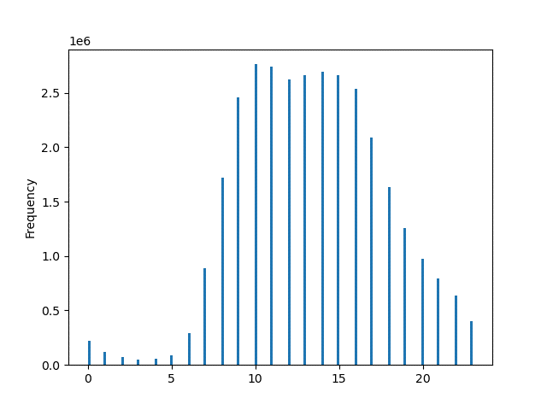
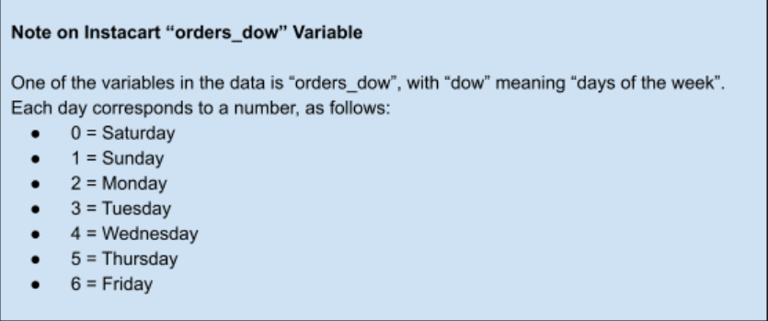

Hours
orders_days_of_the_week

From hours 10 -17 are the busiest hours
Days Saturday is the busiest day, while Wednesay is the less busiest

particular times of the day when people spend the most money



price differ depending the hour of the day, at 10 the prices around 7.750 and hrs between 1 to 5 the price rises; there would be a 95 percent probability that the predicted value would fall within the area of the error bands.

Marketing and sales want to use simpler price range groupings to help direct their efforts.


most products are between 1 and 15, while a few are higher priced at 15 to 25, bins 70

Prices

which departments have the highest frequency of product orders.

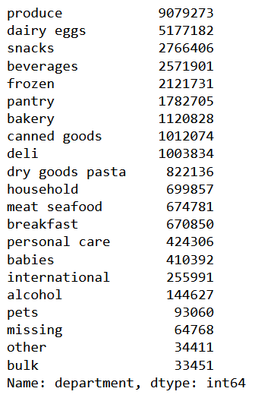
The department of produce and dairy eggs products is more popular, and customers tend to order more, while alcohol and pets order counts are lower.

distribution among users in regards to their brand loyalty (i.e., how often do they return to Instacart)?

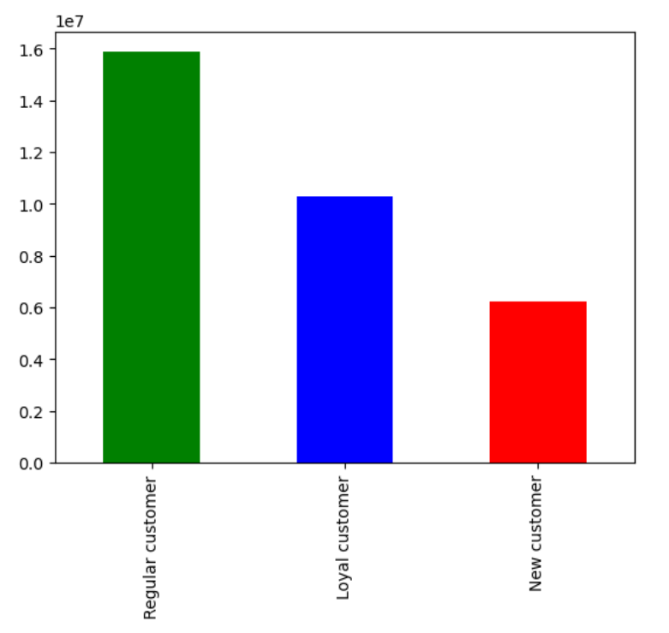
regular customers has the highest frequency of ordering than loyal and new customers.

Are there differences in ordering habits based on a customer’s region?
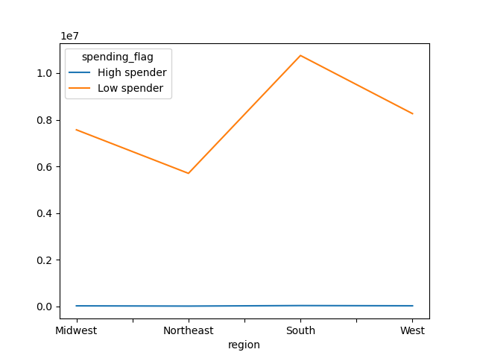

there are more ordering in the South, and lower ordering in the Northeast

Is there a connection between age and family status in terms of ordering habits?

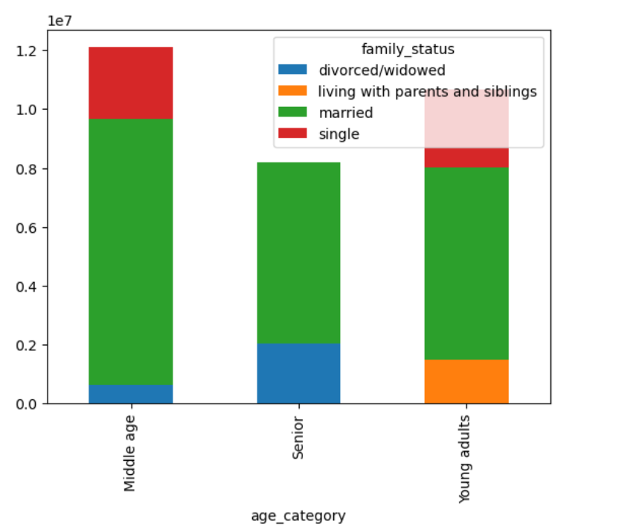

middle age group are more likely married than other age groups

What different classifications does the demographic information suggest? Age? Income? Certain types of goods? Family status?

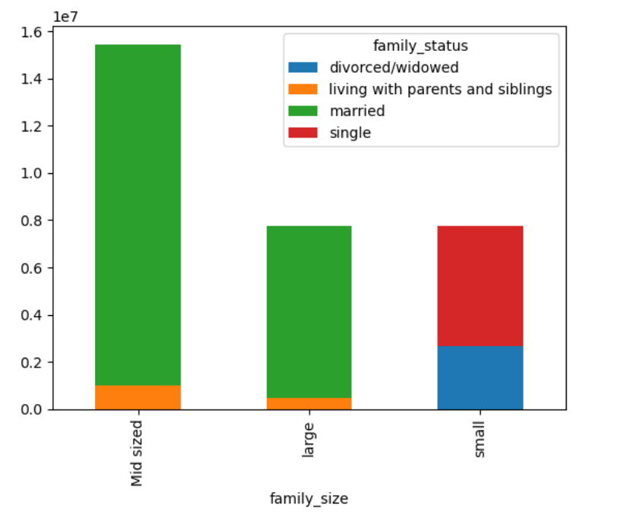
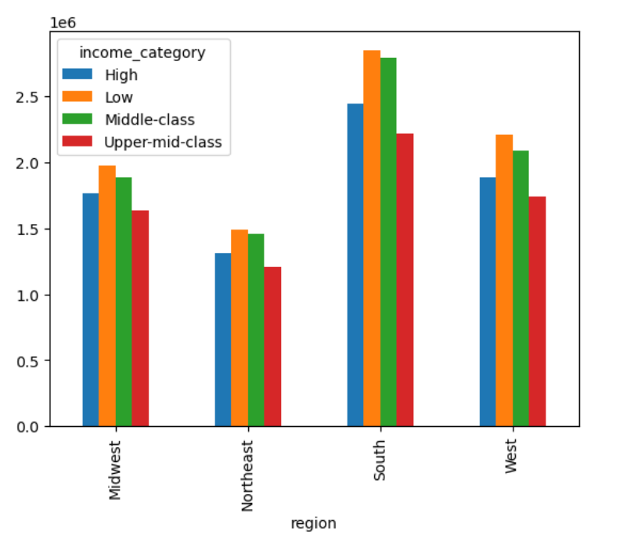
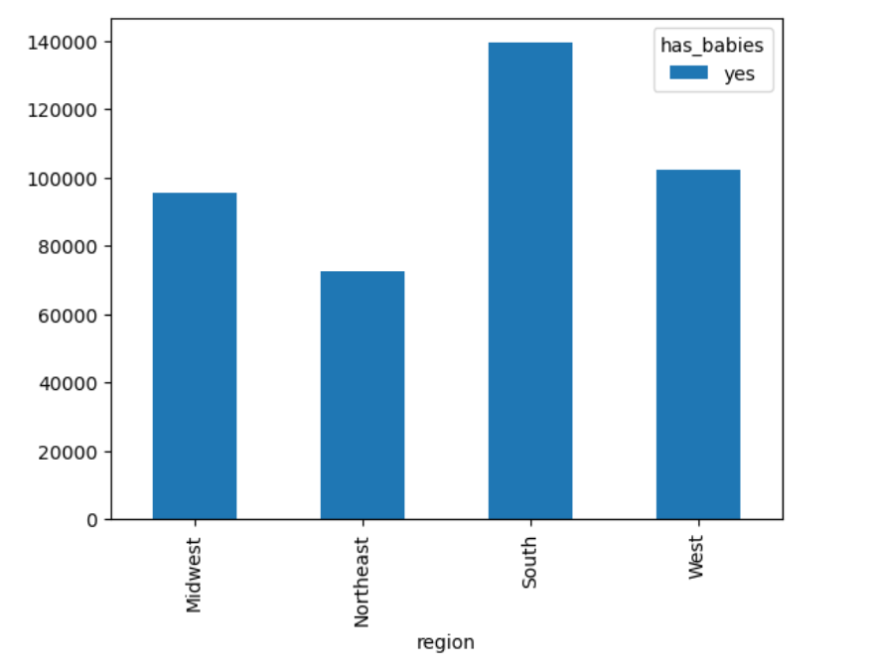

married status customers has a mid sized family, single family status has small sized family
the south region contain the most high activity customers then other regions
the south region are buying high volume of babies products than other regions

What differences can you find in ordering habits of different customer profiles?

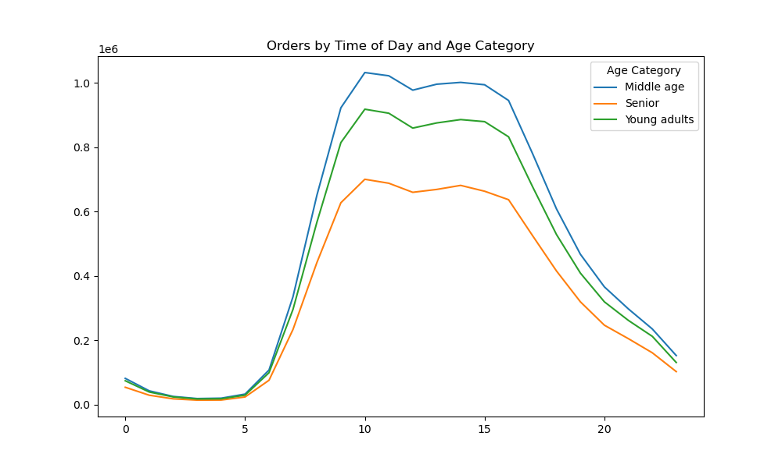

middle age are making the most orders

7. Recommendations
 |  | Title page

Recommendations

In this tab you should include any recommendations you would made to Instcart in terms of their marketing strategy based on the questions posed in the brief. Every key question has been covered in the Tasks of the Exercises - here you need to add an item - a visualisation or table/crosstable that is showing the answer in the data, acompanied by a comment from you. Please, list the questions below and add the answer underneath.

Question | Answer
Key Question 1 | Saturday and Sunday are the busiest days of the week, and 10 am -5 pm are the busiest times. The sale team can run ads with deals during those times or promote coupons on slows days to be used on the most active days, allowing those customers to keep checking in for deals weekly.
Key Question 2 | People spend the most money early in the morning, around 9 am; the price differs depending on the hour of the day. At 10 am the price is around 7.75, and the price rises for hours between 1 to 5.
Key Question 3 | Most product prices are between 1 and 15, while a few get priced at 15 to 25. The prices are affordable.
Key Question 4 | The department of produce and dairy eggs products is more popular, and customers tend to order more, while alcohol and pets order counts are lower.
Key Question 5 | Loyal customer are ordering more than 40 products, while regular customers makes order between 10 to 40.
Key Question 6 | Compare high spender vs low spender, we found that the south has a high ordering habits and higher customer base for instacart
Key Question 7 | The middle age group is more likely to be married than other age groups, and middle age is making the most orders.
Key Question 8 | Instacart customers are in the middle age group between 40-64, and the middle-aged group makes the most orders around 10 am -5 pm. The middle-aged group is more likely to be married, and having a mid-size family suggests that instacart ordering is made for families. Regarding certain types of goods, the south is the highest spender, ordering more baby products than other regions.
Sale Patterns | Instacart already has very good sales, and the prices are affordable. The group of customers ordering form instacart has a middle and low-income status, suggesting the prices are reasonable for both groups. The region which most ordering comes from is the south compared to the northeast; this can be due to devilry services. The south area is so spread that driving to the store is inconvenient. The middle-aged group is highly active around 10 am early and during the weekends. This group is also married and has a mid-size family, which can be busy during the weekdays. Ordering products (or groceries) for the week during the weekend can be convenient. The department with the highest sales is produce and dairy eggs necessary for homes with families. Offering great deals on those days and offers on family necessitates like produce and dairy can turn regular customers into loyal customers. Offering loyal customers a promo where they invite someone, a friend, or a family member, they can get more discounts on purchases.

